HEY DUDE
HEY DUDE
PHOTOS | REF | DESCRIPTION | QTY | RETAIL | TOTAL | 36 | 37 | 38 | 39 | 40 | 41 | 42 | 43 | 44 | 45 | 46 | 47 | 48
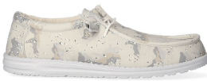 | HD40004-1KL | Wally Camouflage Greyscale Desert Camo | 97 | 70.00 € | 6,790.00 € |  |  |  |  | 9 | 21 | 23 | 25 | 13 | 6
 | HD40041-001 | Wally Youth Basic Black | 5 | 55.00 € | 275.00 €
 | HD40050-001 | Wally Youth Stretch Black | 8 | 55.00 € | 440.00 €
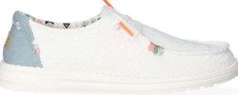 | HD40054-1KF | Wendy Boho White Crochet | 728 | 75.00 € | 54,600.00 € | 51 | 57 |  | 46 | 99 | 201 | 232 | 42
 | HD40054-4MH | Wendy Boho Light Denim | 284 | 75.00 € | 21,300.00 € | 5 | 5 | 5 | 18 | 132 | 85 | 33 | 1
 | HD40060-6VQ | Wendy Crosshatch Taffy | 56 | 75.00 € | 4,200.00 € | 4 | 5 | 7 | 13 | 10 | 8 | 5 | 4
 | HD40063-680 | Wendy Slub Canvas Pink | 8 | 70.00 € | 560.00 € | 3 | 1 |  |  |  |  |  | 4
 | HD40076-1KV | Wendy Rise Stretch Dove | 1 | 75.00 € | 75.00 € | 1
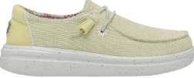 | HD40076-7C1 | Wendy Rise Stretch Lemon | 1 | 75.00 € | 75.00 € |  |  |  |  |  |  | 1
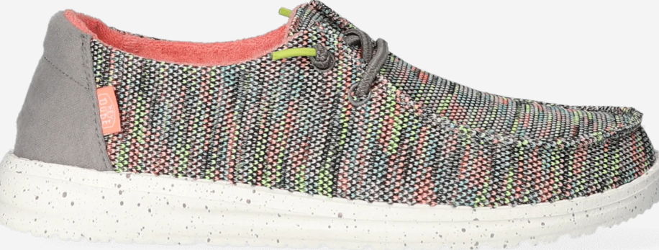 | HD40078-9C2 | Wendy Sox Peacock Pink | 616 | 70.00 € | 43,120.00 € | 64 | 32 | 49 | 75 | 200 | 122 | 74
 | HD40175-255 | Wally Grip Craft Leather Brown | 910 | 109.99 € | 100,090.90 € |  |  |  |  | 42 | 48 | 152 | 248 | 229 | 119 | 54 | 9 | 9
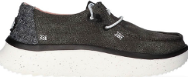 | HD40255-001 | Wendy Peak Chambray Black | 1,111 | 79.99 € | 88,868.89 € | 71 | 140 | 189 | 219 | 223 | 165 | 83 | 21
 |  |  | 60 | 80.00 € | 4,800.00 € | 5 | 10 | 15 | 15 | 10 | 5
 |  |  | 204 | 80.00 € | 16,320.00 € |  | 17 | 34 | 51 | 51 | 34 | 17
 | HD40255-13R | Wendy Peak Chambray Cream | 117 | 79.99 € | 9,358.83 € | 10 |  |  |  | 15 | 51 | 39 | 2
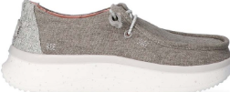 | HD40255-267 | Wendy Peak Chambray Walnut | 169 | 79.99 € | 13,518.31 € | 21 | 25 |  | 1 | 25 | 50 | 36 | 11
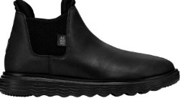 | HD40388-060 | Branson Boot Craft Leather Black/Black | 620 | 109.99 € | 68,193.80 € | 18 | 48 | 108 | 133 | 105 | 126 | 73 | 9
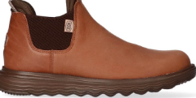 | HD40388-21N | Branson Boot Craft Leather Cognac | 195 | 109.99 € | 21,448.05 € | 22 | 12 | 11 | 47 | 34 | 34 | 25 | 10
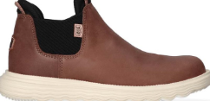 | HD40388-21Q | Branson Boot Craft Leather Coffee | 129 | 109.99 € | 14,188.71 € | 19 | 19 | 22 | 18 | 8 | 17 | 19 | 7
 | HD40413-025 | Wendy Peak Woven Charcoal | 1,095 | 89.99 € | 98,539.05 € | 55 | 127 | 165 | 220 | 214 | 181 | 102 | 21 | 10
 |  |  | 132 | 90.00 € | 11,880.00 € |  | 11 | 22 | 33 | 33 | 22 | 11
 | HD40413-106 | Wendy Peak Woven Natural | 181 | 89.99 € | 16,288.19 € |  | 2 |  | 3 | 41 | 79 | 43 | 13
 | HD40677-1KA | Wally Funk Nylon Craft Stone White | 103 | 74.99 € | 7,723.97 € |  |  |  |  |  |  |  |  |  |  | 103
 | HD40700-425 | Wally Canvas Blue | 2,293 | 74.99 € | 171,952.07 € |  |  |  |  | 116 | 203 | 357 | 548 | 531 | 370 | 145 | 13 | 10
 |  |  | 240 | 75.00 € | 18,000.00 € |  |  |  |  | 20 | 40 | 60 | 60 | 40 | 20
 |  |  | 444 | 75.00 € | 33,300.00 € |  |  |  |  |  | 37 | 74 | 111 | 111 | 74 | 37
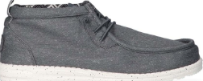 | HD40701-030 | Wally Mid Stretch Canvas Grey | 21 | 79.99 € | 1,679.79 € |  |  |  |  | 11 |  |  |  |  |  |  | 8 | 2
 | HD40701-337 | Wally Mid Canvas Olive | 262 | 79.99 € | 20,957.38 € |  |  |  |  | 5 | 29 | 47 | 73 | 80 | 28
 | HD40702-0HI | Wally H2O Tropical Black Tropical | 68 | 79.99 € | 5,439.32 € |  |  |  |  | 21 | 8 | 11 | 14 | 7 | 7
 | HD40715-16S | Wally Letterman White/Blue | 3 | 74.99 € | 224.97 € |  |  |  |  |  | 3
 | HD40715-3TL | Wally Letterman Deep Green/White | 191 | 74.99 € | 14,323.09 € |  |  |  |  | 21 | 27 | 27 | 35 | 45 | 21 | 15
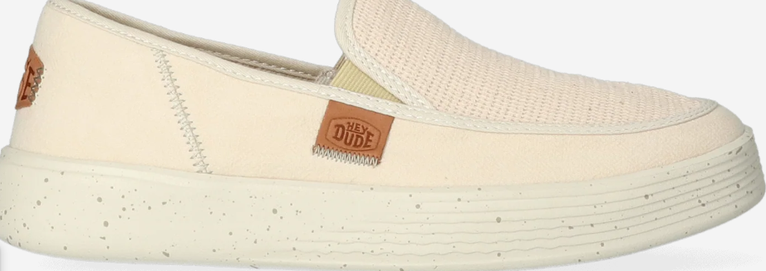 | HD40726-2Y2 | Sunapee M Coastline Bone | 219 | 74.99 € | 16,422.81 € |  |  |  |  | 3 | 15 | 51 | 100 | 2 | 41 | 1 | 5 | 1
 |  |  | 60 | 74.99 € | 4,499.40 € |  |  |  |  |  | 5 | 10 | 15 | 15 | 10 | 5
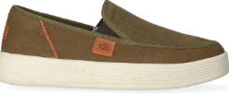 | HD40726-337 | Sunapee M Coastline Olive | 1,322 | 74.99 € | 99,136.78 € |  |  |  |  | 61 | 109 | 283 | 323 | 257 | 186 | 76 | 19 | 8
 |  |  | 12 | 74.99 € | 899.88 € |  |  |  |  | 1 | 2 | 3 | 3 | 2 | 1
 |  |  | 156 | 74.99 € | 11,698.44 € |  |  |  |  |  | 13 | 26 | 39 | 39 | 26 | 13
 | HD40726-410 | Sunapee M Coastline Navy | 3,247 | 74.99 € | 243,492.53 € |  |  |  |  | 58 | 238 | 658 | 874 | 858 | 349 | 185 | 20 | 7
 |  |  | 120 | 74.99 € | 8,998.80 € |  |  |  |  | 10 | 20 | 30 | 30 | 20 | 10
 |  |  | 228 | 74.99 € | 17,097.72 € |  |  |  |  |  | 19 | 38 | 57 | 57 | 38 | 19
 | HD40729-425 | Wendy Chambray Boho Blue | 530 | 74.99 € | 39,744.70 € | 30 | 55 | 28 | 82 | 164 | 167 | 4
 | HD40735-097 | Wendy Leopard Black/Grey | 149 | 74.99 € | 11,173.51 € | 6 | 18 | 32 | 44 | 22 | 16 | 9 | 2
 |  |  | 84 | 74.99 € | 6,299.16 € | 7 | 14 | 21 | 21 | 14 | 7
 |  |  | 168 | 74.99 € | 12,598.32 € |  | 14 | 28 | 42 | 42 | 28 | 14
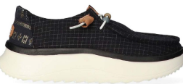 | HD40739-001 | Wendy Peak Baja Stripe Black | 2 | 79.99 € | 159.98 € |  | 1 |  |  |  |  | 1
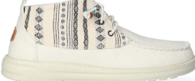 | HD40751-1MW | Wendy Mid Boho Mix Baja Cream | 679 | 84.99 € | 57,708.21 € | 39 | 57 | 90 | 150 | 162 | 111 | 63 | 7
 |  |  | 36 | 84.99 € | 3,059.64 € | 3 | 6 | 9 | 9 | 6 | 3
 |  |  | 132 | 84.99 € | 11,218.68 € |  | 11 | 22 | 33 | 33 | 22 | 11
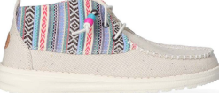 | HD40751-1MX | Wendy Mid Boho Mix Baja Grey | 617 | 84.99 € | 52,438.83 € | 33 | 46 | 72 | 142 | 147 | 105 | 63 | 9
 |  |  | 156 | 84.99 € | 13,258.44 € |  | 13 | 26 | 39 | 39 | 26 | 13
 | HD40753-425 | Wendy Heathered Slub Tropical Blue | 489 | 74.99 € | 36,670.11 € | 7 | 54 | 129 | 114 | 127 | 51 |  | 7
 |  |  | 48 | 74.99 € | 3,599.52 € | 4 | 8 | 12 | 12 | 8 | 4
 |  |  | 48 | 74.99 € | 3,599.52 € |  | 4 | 8 | 12 | 12 | 8 | 4
 | HD40952-040 | Wally Coastline Jute Silver | 343 | 74.99 € | 25,721.57 € |  |  |  |  | 10 |  |  |  | 169 | 72 | 92
 | HD40952-337 | Wally Coastline Jute Olive | 1,309 | 74.99 € | 98,161.91 € |  |  |  |  |  | 84 | 279 | 365 | 349 | 232
 |  |  | 600 | 74.99 € | 44,994.00 € |  |  |  |  |  | 50 | 100 | 150 | 150 | 100 | 50
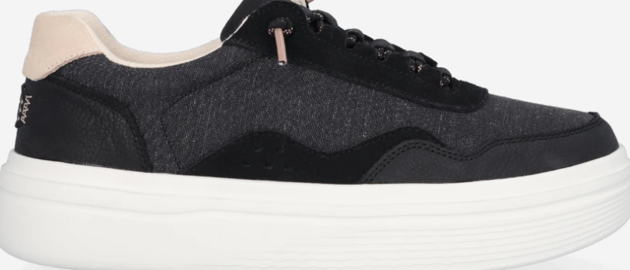 | HD41271-001 | Hudson Lift Sport Black | 430 | 89.99 € | 38,695.70 € | 22 | 40 | 58 | 94 | 93 | 63 | 54 | 6
 |  |  | 60 | 89.99 € | 5,399.40 € | 5 | 10 | 15 | 15 | 10 | 5
 |  |  | 108 | 89.99 € | 9,718.92 € |  | 9 | 18 | 27 | 27 | 18 | 9
 | HD41865-001 | Wendy X Luxe Black | 51 | 99.99 € | 5,099.49 € |  | 2 | 11 | 15 | 19 | 2 | 2
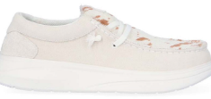 | HD41865-105 | Wendy X Luxe Ivory | 76 | 99.99 € | 7,599.24 € |  | 5 | 14 | 25 | 22 | 10
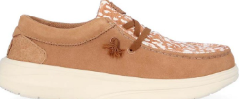 | HD41865-265 | Wendy X Luxe Tan | 69 | 99.99 € | 6,899.31 € |  | 10 | 17 | 23 | 11 | 6 | 2
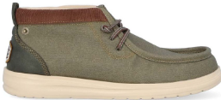 | HD41867-3J5 | Wally Mid GripR Workwear Dusty Olive | 14 | 94.99 € | 1,329.86 € |  |  |  |  | 1 | 1 |  | 1 | 3 | 8
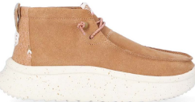 | HD41951-211 | Wendy Peak Hi Suede Chestnut | 47 | 94.99 € | 4,464.53 € |  |  | 9 | 12 | 13 | 9 | 4
 | HD41955-1MV | Hayden W Shine Ivory/Multi | 3 | 89.99 € | 269.97 € |  |  | 2 |  |  | 1
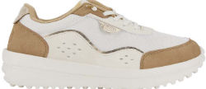 | HD41955-265 | Hayden W Shine Tan | 8 | 89.99 € | 719.92 € |  |  |  | 7 |  | 1
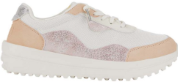 | HD41955-803 | Hayden W Shine Peach/White | 56 | 89.99 € | 5,039.44 € | 2 | 8 | 17 | 16 | 6 | 6 | 1
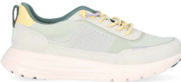 | HD41958-030 | Sirocco Alta W Colorblock Grey | 47 | 89.99 € | 4,229.53 € | 2 | 8 | 10 | 6 | 8 | 12 | 1
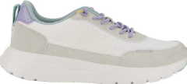 | HD41958-10M | Sirocco Alta W Colorblock White/Grey | 32 | 89.99 € | 2,879.68 € | 1 | 6 | 2 | 11 | 10 | 1 | 1
 | HD41975-001 | Wally COMF Suede Black | 39 | 94.99 € | 3,704.61 € |  |  |  |  |  | 2 | 9 | 11 | 11 | 6
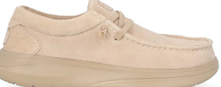 | HD41975-265 | Wally COMF Suede Tan | 11 | 94.99 € | 1,044.89 € |  |  |  |  |  |  |  | 2 | 6 | 3
 | HD41975-77H | Wally X Suede Golden Yellow | 65 | 94.99 € | 6,174.35 € |  |  |  |  |  | 7 | 13 | 21 | 18 | 6
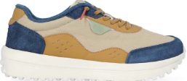 | HD41980-1PO | Hayden Craft Grey/Multi | 119 | 89.99 € | 10,708.81 € |  |  |  |  |  | 7 | 15 | 31 | 39 | 20 | 2 |  | 5
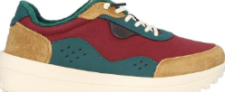 | HD41980-2UG | Hayden Craft Tan/Multi | 86 | 89.99 € | 7,739.14 € |  |  |  |  | 1 | 7 | 16 | 20 | 23 | 17 | 1 |  | 1
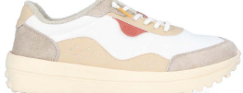 | HD41980-94S | Hayden Craft White/Multi | 97 | 89.99 € | 8,729.03 € |  |  |  |  |  | 13 | 20 | 24 | 20 | 16 | 4
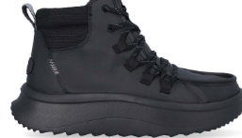 | HD41990-060 | Wendy Peak Apres Coated Twill Black/Black | 133 | 109.99 € | 14,628.67 € | 4 | 16 | 23 | 33 | 28 | 17 | 8 | 4
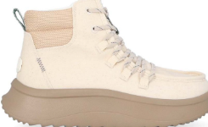 | HD41990-105 | Wendy Peak Apres Coated Twill Ivory | 48 | 109.99 € | 5,279.52 € |  |  | 3 | 16 | 12 | 10 | 7
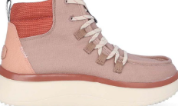 | HD41990-2Z4 | Wendy Peak Apres Coated Twill Desert Brown | 73 | 109.99 € | 8,029.27 € | 1 | 5 | 10 | 21 | 20 | 10 | 6
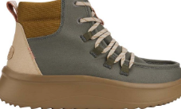 | HD41990-337 | Wendy Peak Apres Coated Twill Olive | 85 | 109.99 € | 9,349.15 € |  | 6 | 13 | 21 | 21 | 15 | 6 | 3
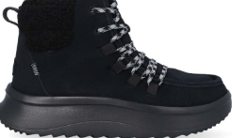 | HD41995-060 | Wendy Peak Apres Suede Cozy Black/Black | 90 | 109.99 € | 9,899.10 € | 3 | 10 | 11 | 22 | 22 | 13 | 9
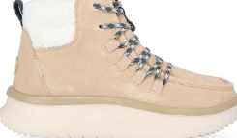 | HD41995-3VD | Wendy Peak Apres Suede Cozy Sand Beige | 164 | 109.99 € | 18,038.36 € | 4 | 8 | 16 | 39 | 44 | 32 | 18 | 3
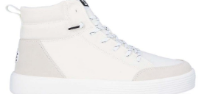 | HD42003-143 | Cody Hi M Essentials White/White | 5 | 79.99 € | 399.95 € |  |  |  |  |  |  |  |  |  | 5
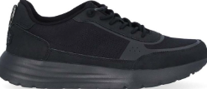 | HD42041-060 | Sirocco Alta M Essentials Black/Black | 40 | 89.99 € | 3,599.60 € |  |  |  |  |  | 5 | 14 | 9 | 8 | 4
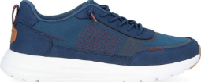 | HD42041-462 | Sirocco Alta M Essentials Navy/White | 14 | 89.99 € | 1,259.86 € |  |  |  |  | 1 |  | 5 | 1 |  | 7
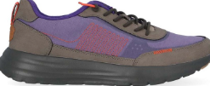 | HD42042-1OG | Sirocco Alta M Hype Grey/Purple | 50 | 89.99 € | 4,499.50 € |  |  |  |  |  | 5 | 9 | 12 | 12 | 9 | 3
 | HD42042-1PY | Sirocco Alta M Hype Silver Birch | 46 | 89.99 € | 4,139.54 € |  |  |  |  | 2 | 4 | 12 | 12 | 10 | 6
 | HD42042-267 | Sirocco Alta M Hype Walnut | 6 | 89.99 € | 539.94 € |  |  |  |  |  | 1 |  |  | 5
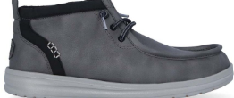 | HD42051-00K | Wally Mid GripR Classic Grey/Black | 14 | 94.99 € | 1,329.86 € |  |  |  |  |  | 4 | 9 |  | 1
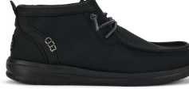 | HD42051-060 | Wally Mid GripR Classic Black/Black | 79 | 94.99 € | 7,504.21 € |  |  |  |  |  | 7 | 10 | 21 | 21 | 15 | 5
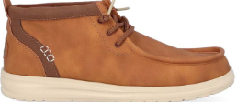 | HD42051-2DU | Wally Mid GripR Classic Cognac/Tan | 143 | 94.99 € | 13,583.57 € |  |  |  |  | 3 | 3 | 12 | 33 | 38 | 42 | 9 | 3
 | HD42658-3XX | Wendy Holiday Elf Green/Red | 94 | 79.99 € | 7,519.06 € | 3 | 12 | 19 | 25 | 21 | 11 | 3
 |  |  | 79 | 79.99 € | 6,319.21 € |  |  |  |  | 2 | 11 | 14 | 22 | 20 | 7 | 3
 | HD43087-0OF | Wally Palm Jute Egret/Cloud Blue | 42 | 79.99 € | 3,359.58 € |  |  |  |  | 3 | 6 |  | 23 |  |  |  | 3 | 7
 | HD43087-3ZX | Wally Palm Jute Burnt Olive/Ginger Brown | 126 | 79.99 € | 10,078.74 € |  |  |  |  | 14 | 18 | 30 | 36 | 28
 | HD43094-9HP | Wally Resort Multi/Egret | 62 | 74.99 € | 4,649.38 € |  |  |  |  | 1 | 5 | 11 | 18 | 20 | 6 | 1
 | HD43094-9HR | Wally Resort Multi/Chili Red | 79 | 74.99 € | 5,924.21 € |  |  |  |  | 4 | 11 | 16 | 23 | 14 | 10 | 1
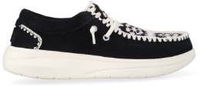 | HD43108-0C4 | Wendy COMF Suede Crochet Black/Multi | 77 | 99.99 € | 7,699.23 € | 3 | 12 | 17 | 23 | 13 | 6 | 3
 |  |  | 84 | 99.99 € | 8,399.16 € | 7 | 14 | 21 | 21 | 14 | 7
 |  |  | 84 | 99.99 € | 8,399.16 € |  | 7 | 14 | 21 | 21 | 14 | 7
 | HD43108-0MD | Wendy COMF Suede Crochet Irish Cream/Multi | 77 | 99.99 € | 7,699.23 € | 1 | 12 | 16 | 20 | 18 | 7 | 3
 | HD43109-0C4 | Wendy Cottage Crochet Black/Multi | 49 | 84.99 € | 4,164.51 € | 1 | 5 | 12 | 16 | 11 | 4
 |  |  | 13 | 84.99 € | 1,104.87 € | 1 | 2 | 3 | 3 | 2 | 1 | 1
 |  |  | 24 | 84.99 € | 2,039.76 € |  | 2 | 4 | 6 | 6 | 4 | 2
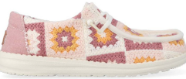 | HD43109-78W | Wendy Cottage Crochet Petal Pink/Multi | 128 | 84.99 € | 10,878.72 € |  | 12 | 24 | 37 | 30 | 19 | 6
 |  |  | 36 | 84.99 € | 3,059.64 € |  | 3 | 6 | 9 | 9 | 6 | 3
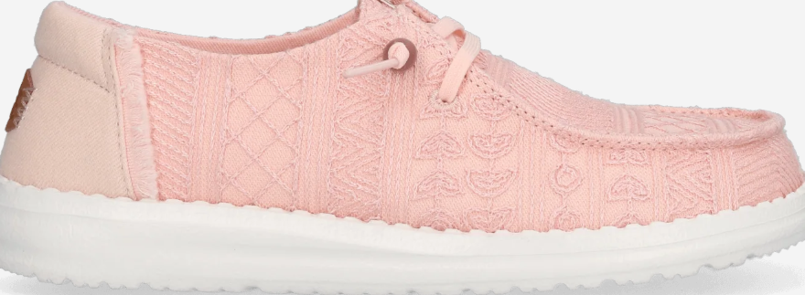 | HD43112-6ZZ | Wendy Crochet Lace Pale Pink | 34 | 79.99 € | 2,719.66 € |  | 3 |  | 4 | 8 | 12 | 7
 | HD43154-0NT | Welsh Grip Classic Mesh Black/Storm Gray | 22 | 79.99 € | 1,759.78 € |  |  |  |  | 3 | 6 | 4 | 8 |  | 1
 | HD43156-4UZ | Wendy Funk Surf Baja Blue/Pink/Multi | 10 | 79.99 € | 799.90 € |  |  | 2 | 3 | 2 |  | 1 | 2
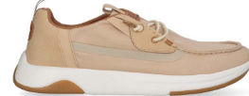 | HD43165-0OI | Wally Drift Mesh Irish Cream/White | 203 | 89.99 € | 18,267.97 € |  |  |  |  | 25 | 35 | 45 | 43 | 29 | 23 | 3
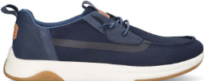 | HD43165-4VE | Wally Drift Mesh Navy Blazer/White | 164 | 89.99 € | 14,758.36 € |  |  |  |  | 48 | 52 | 1 | 63
 | HD43179-3YY | Wendy Espadrille Retro Palm Celadon Green/White | 62 | 79.99 € | 4,959.38 € | 5 | 1 | 7 | 17 | 15 | 12 | 3 | 2
 |  |  | 12 | 79.99 € | 959.88 € | 1 | 2 | 3 | 3 | 2 | 1
 |  |  | 36 | 79.99 € | 2,879.64 € |  | 3 | 6 | 9 | 9 | 6 | 3
 | HD43179-77U | Wendy Espadrille Retro Palm Pale Pink/White | 54 | 79.99 € | 4,319.46 € | 1 | 8 | 15 | 16 | 7 | 7
 |  |  | 12 | 79.99 € | 959.88 € | 1 | 2 | 3 | 3 | 2 | 1
 |  |  | 12 | 79.99 € | 959.88 € |  | 1 | 2 | 3 | 3 | 2 | 1
 | HD43182-4VB | Wendy Funk Coastal Jute Ceramic Blue | 113 | 74.99 € | 8,473.87 € | 10 | 21 | 30 | 25 | 17 | 10
 | HD43614-4UZ | Wendy Slip Surf Baja Blue/Pink/Multi | 6 | 74.99 € | 449.94 € |  | 6
 | HD43772-0OJ | NXT Moc Egret/Wood Ash | 7 | 99.99 € | 699.93 € |  |  |  |  |  | 1 |  | 1 | 3 | 2
 | HD43772-2JD | NXT Moc Copper Brown/Wood Ash | 56 | 99.99 € | 5,599.44 € |  |  |  |  |  | 4 | 15 | 9 | 17 | 10 | 1
 | HD43772-4XB | NXT Moc Stormy Blue/Wood Ash | 8 | 99.99 € | 799.92 € |  |  |  |  |  |  |  |  | 5 | 3
 | HD43773-0OH | Wally NXT Loafer Black/Wood Ash | 21 | 99.99 € | 2,099.79 € |  |  |  |  | 2 | 2 | 5 | 6 | 4 | 2
 | HD43773-0OJ | NXT Loafer Egret/Wood Ash | 29 | 99.99 € | 2,899.71 € |  |  |  |  | 2 | 2 | 6 | 7 | 4 | 6 | 2
 | HD43780-2UG | Wendy Rise Animal | 1 | 74.99 € | 74.99 € |  |  |  |  |  |  |  | 1
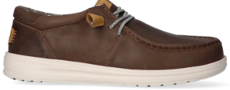 | HD40175-030 | Wally Grip Craft Leather Grey | 1,343 | 109.99 € | 147,716.57 € |  |  |  |  | 46 | 71 | 238 | 405 | 373 | 181 | 19 | 1 | 9
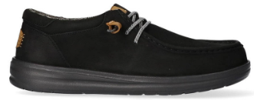 | HD40175-001 | Wally Grip Craft Leather Black | 1,358 | 109.99 € | 149,366.42 € |  |  |  |  | 52 | 54 | 230 | 398 | 365 | 168 | 86 | 2 | 3
TOTAL HEY DUDE |  |  | 28,131 | 84.84 € | 2,386,527.53 € | 556 | 1,083 | 1,557 | 2,259 | 3,150 | 3,404 | 4,134 | 4,521 | 4,081 | 2,293 | 935 | 83 | 62

